Sheet1
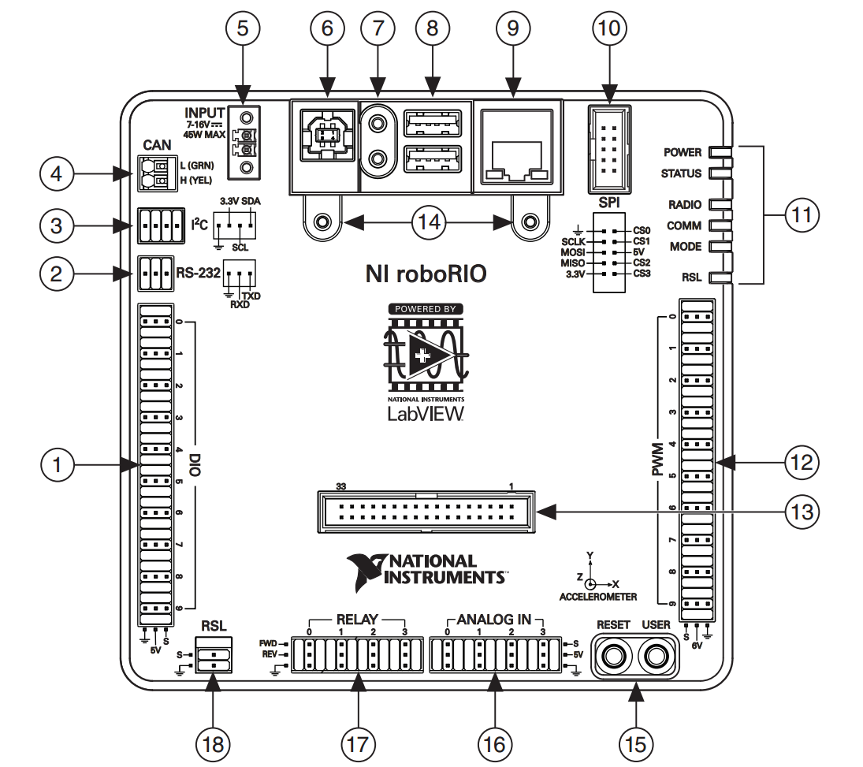
2017 FRC Team #4418's Control System Assignments
PWM ports |  |  | CAN ID's
PWM0 | Not Used |  | CAN0 | Compressor
PWM1 | Not Used |  | CAN1 | Not Used
PWM2 | Not Used |  | CAN2 | Not Used
PWM3 | Not Used |  | CAN3 | Not Used
PWM4 | Not Used |  | CAN4 | Not Used
PWM5 | Not Used |  | CAN5 | Not Used
PWM6 | Not Used |  | CAN6 | Not Used
PWM7 | Not Used |  | CAN7 | Not Used
PWM8 | Not Used |  | CAN8 | Not Used
PWM9 | Not Used |  | CAN9 | Not Used
 |  |  | CAN10 | Left Drive Motor A
Digital I/O |  |  | CAN11 | Left Drive Motor B
DIO0 | Left Wheel Encoder A |  | CAN12 | Left Drive Motor C
DIO1 | Left Wheel Encoder B |  | CAN13 | Not Used
DIO2 | Right Wheel Encoder A |  | CAN14 | Not Used
DIO3 | Right Wheel Encoder B |  | CAN15 | Not Used
DIO4 | Limit Switch (Climber) |  | CAN16 | Not Used
DIO5 | Ultrasonic (Gear Placement) A |  | CAN17 | Not Used
DIO6 | Ultrasonic (Gear Placement) B |  | CAN18 | Not Used
DIO7 | Not Used |  | CAN19 | Not Used
DIO8 | Not Used |  | CAN20 | Right Drive Motor A
DIO9 | Not Used |  | CAN21 | Right Drive Motor B
 |  |  | CAN22 | Right Drive Motor C
Relays |  |  | CAN23 | Not Used
RELAY0 | Not Used |  | CAN24 | Not Used
RELAY1 | Not Used |  | CAN25 | Not Used
RELAY2 | Not Used |  | CAN26 | Not Used
RELAY3 | Not Used |  | CAN27 | Not Used
 |  |  | CAN28 | Not Used
Analog ports |  |  | CAN29 | Not Used
ANALOG0 | Not Used |  | CAN30 | Intake Motor A
ANALOG1 | Gyro |  | CAN31 | Intake Motor B
ANALOG2 | Not Used |  | CAN32 | Not Used
ANALOG3 | Not Used |  | CAN33 | Not Used
 |  |  | CAN34 | Not Used
Universal Serial Bus |  |  | CAN35 | Not Used
USB1 | Camera 1 |  | CAN36 | Not Used
USB2 | Not Used |  | CAN37 | Not Used
 |  |  | CAN38 | Not Used
Pneumatics Control Module |  |  | CAN39 | Not Used
SOLENOID0 | Close Cimber |  | CAN40 | Climbing motor
SOLENOID1 | Open Climber |  | CAN41 | Not Used
SOLENOID2 | Switch Gear (High Speed) |  | CAN42 | Not Used
SOLENOID3 | Switch Gear (High Toque) |  | CAN43 | Not Used
SOLENOID4 | Not Used |  | CAN44 | Not Used
SOLENOID5 | Not Used |  | CAN45 | Not Used
SOLENOID6 | Not Used |  | CAN46 | Not Used
SOLENOID7 | Not Used |  | CAN47 | Not Used
 |  |  | CAN48 | Not Used
MXP Pinout |  |  | CAN49 | Not Used
Pin | Uses | Function | CAN50 | Gear Grabber
33/34 | 3.3V | Not Used | CAN51 | Not Used
31/32 | DIO10/PWM6 | Not Used | CAN52 | Not Used
29/30 | DIO9/PWM5 | Not Used | CAN53 | Not Used
27/28 | DIO8/PWM4 | Not Used | CAN54 | Not Used
25/26 | DIO7/SPI MOSI | Not Used | CAN55 | Not Used
23/24 | DIO6/SPI MISO | Not Used | CAN56 | Not Used
21/22 | DIO5/SPU CLK | Not Used | CAN57 | Not Used
19/20 | DIO4/SPICS | Not Used | CAN58 | Not Used
17/18 | DIO3/PWM3 | Not Used | CAN59 | Not Used
15/16 | DIO2/PWM2 | Not Used | CAN60 | Not Used
13/14 | DIO1/PWM1 | Not Used | CAN61 | Not Used
11/12 | DIO0/PWM0 | Not Used | CAN62 | Not Used
9/10 | AI3 | Not Used | CAN63 | Not Used
7/8 | AI2 | Not Used | CAN64 | Not Used
5/6 | AI1 | Not Used | CAN65 | Not Used
3/4 | AI0 | Not Used | CAN66 | Not Used
1/2 | +5V | Not Used | CAN67 | Not Used
 |  |  | CAN68 | Not Used
 |  |  | CAN69 | Not Used

Sheet2
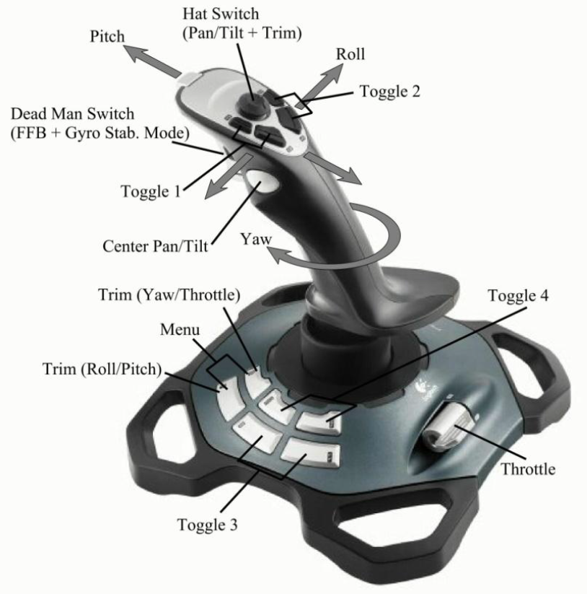
2017 FRC Team #4418's Controller Assignments
Controller | Item Id | Button Name | Function
0 | Button: 0 | Dead man switch | Switch to Speed mode
0 | Button: 1 | Center pan/tilt | Switch to Torque mode
0 | Button: 2 | Toggle 1: lower | Toggle direction
0 | Button: 3 | Toggle 2: lower
0 | Button: 4 | Toggle 1: higher
0 | Button: 5 | Toggle 2: higher
0 | Button: 6 | Menu: outer | Toggle LED light ring
0 | Button: 7 | Menu: inner
0 | Button: 8 | Toggle 3: forwards
0 | Button: 9 | Toggle 4: forwards
0 | Button: 10 | Toggle 3: backwards
0 | Button: 11 | Toggle 4: backwards
0 | Axes: 0 | Roll | Turn
0 | Axes: 1 | Pitch | Drive forwards
0 | Axes: 2 | Yaw
0 | Axes: 3 | Throttle
0 | POV: 0 | D-Pad Up
0 | POV: 45 | D-Pad Up + Right
0 | POV: 90 | D-Pad Right
0 | POV: 135 | D-Pad Down + Right
0 | POV: 180 | D-Pad Down
0 | POV: 225 | D-Pad Down + Left
0 | POV: 270 | D-Pad Left
0 | POV: 315 | D-Pad Up + Left
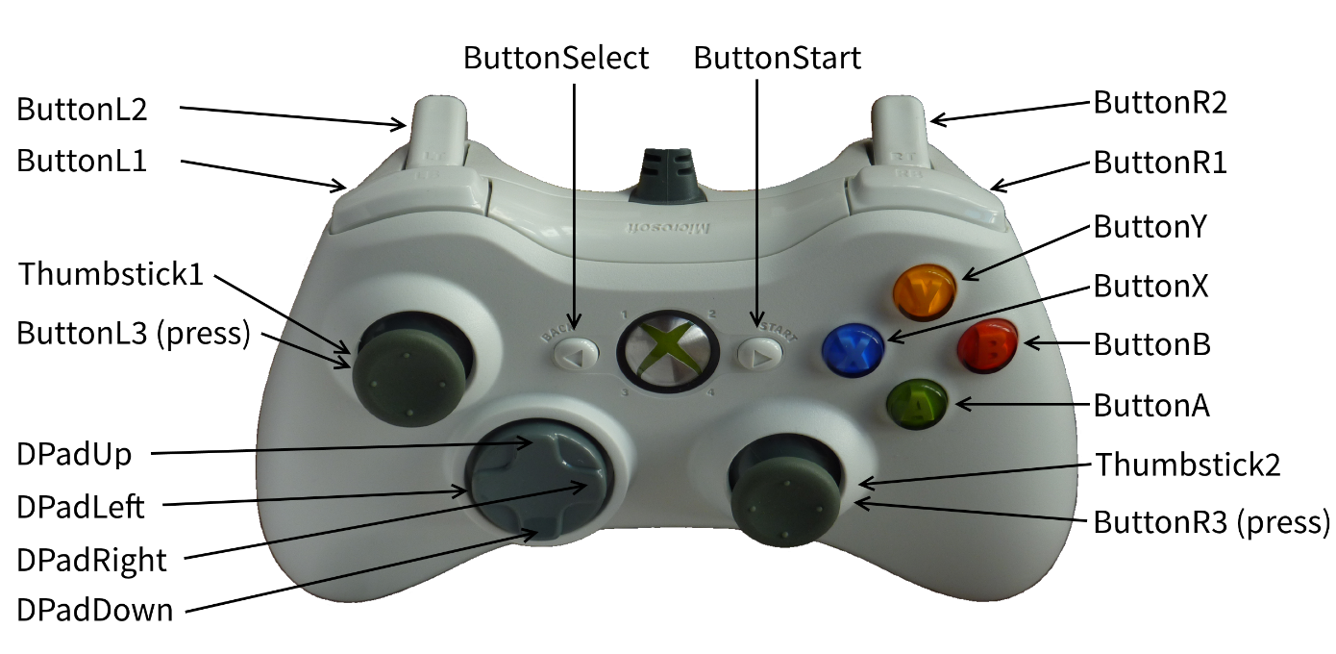
1 | Button: 0 | A | Toggle intake on/off
1 | Button: 1 | B | Change intake to in
1 | Button: 2 | X | Change intake to out
1 | Button: 3 | Y
1 | Button: 4 | L1
1 | Button: 5 | L2 | Toggle climbing piston
1 | Button: 6 | Back/Select
1 | Button: 7 | Start
1 | Button: 8 | L3
1 | Button: 9 | R3
1 | Axes: 0 | Thumbstick 1: x-axis
1 | Axes: 1 | Thumbstick 1: y-axis
1 | Axes: 2 | L2 | Begin climbing
1 | Axes: 3 | R2
1 | Axes: 4 | Thumbstick 2: x-axis
1 | Axes: 5 | Thumbstick 2: y-axis
1 | POV: 0 | D-Pad Up
1 | POV: 45 | D-Pad Up + Right
1 | POV: 90 | D-Pad Right
1 | POV: 135 | D-Pad Down + Right
1 | POV: 180 | D-Pad Down
1 | POV: 225 | D-Pad Down + Left
1 | POV: 270 | D-Pad Left
1 | POV: 315 | D-Pad Up + Left

